Sheet1
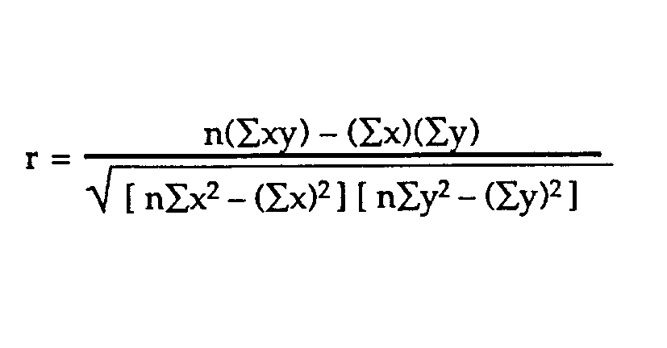
AGE | HEIGHT | XY | X^2 | Y^2
7 | 130 | 910 | 49 | 16900
8 | 135 | 1080 | 64 | 18225
9 | 140 | 1260 | 81 | 19600
11 | 142 | 1562 | 121 | 20164
15 | 147 | 2205 | 225 | 21609
20 | 156 | 3120 | 400 | 24336
70 | 850 | 10137 | 940 | 120834

Correlation Coefficient | 0.97117709926

Correlation Coefficient | 0.97117709926

